Statistics & Graph
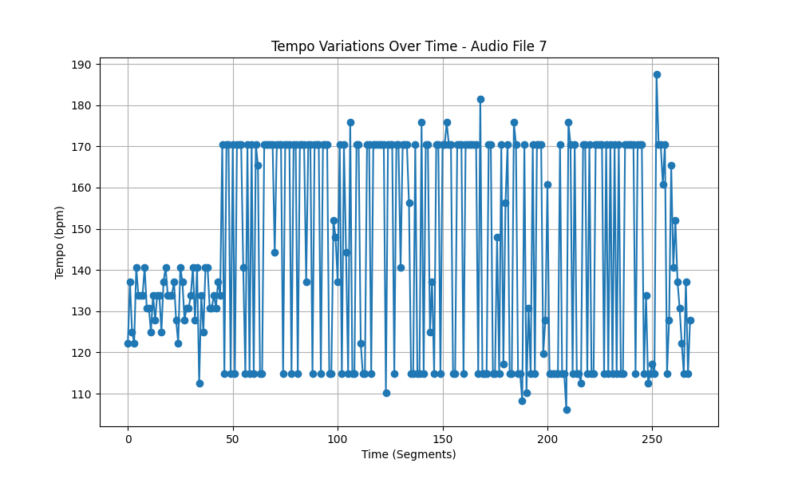
Metric | Value
Mean | 144.36460946
Standard Deviation | 24.848950859
Coefficient of Variation (CV) | 17.212633313

